Financial plan
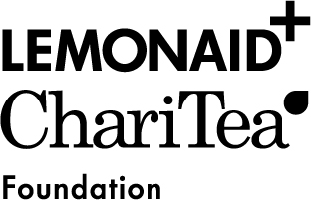

Overall financial plan for MULTI-YEAR PROJECTS

Expenditure in local currency | Year 1 | Year 2 | Year 3 | Total
Planned total costs by budget year* | 0 | 0 | 0 | 0
Income in local currency | Year 1 | Year 2 | Year 3 | Total
Funds from the applicant's own resources** (e.g. Organisational funds; membership-fees; sale of publications, quantified contribution from staff) | please fill |  |  | 0
Supplementary grants from third parties*** (e.g. public funds, funds from another donor) |  |  |  | 0
Other income (e.g. sponsorship, private funds, contributions in kind) |  |  |  | 0
Funds applied for from Lemonaid & ChariTea e.V. |  |  |  | 0
Own funding in % (calculated automatically) | n/a | n/a | n/a | n/a
Overall budget for planned total expenses (by budget year) | 0 | 0 | 0 | 0

* Content is automatically generated from yearly budget sheets.
** If you have different funds coming from your own resources, please attach a separate document with a more detailed list of income.
*** Please fill out the worksheet supplementary grants if you have different funding sources.

Exchange rate | Currency | 0 | (= EUR 1,00)

